Solution
Business problem/objective
 | Predict the weekly sales for each triplet of store, department and date.

Approach for the problem
 | Instead of building a forecasting problem for each store and department combination, build a Regression model to predict the weekly sales.
 | Y- variable = Weekly Sales
 | Algorthms used : Linear Regression, Random Forest, Gradient Boosting

Data understanding
 | Data is available in 3 sources: stores, features and train.
 | Stores: contains name , type and size of the store
 | Features: contains weekly information like temperature, fuel prices, whether it’s a holiday, markdowns etc
 | train: Contains the weekly sales based for each dept and store

 | Join these 3 tables based on relationship to obtain the data.

Data exploratory analysis
 | 15 features available
 | 12 features are numeric in nature
 | 1 Date feature
 | 1 boolean
 | 1 string feature
 | Target feature is numeric in nature

Missing Treatment
 | Replace the missing values using 0.

Outlier Treatment
 | UC: 99 percentile
 | LC: 1 percentile

Replace the upper outliers using 99 percentile value for that feature
Replace the lower outliers using 1 percentile value for that feature

Transform Target variable

The target variable "Weekly sales" was not normally distributed. So applied log transformation so that the transformed variable is normally distributed.

Before Transformation:

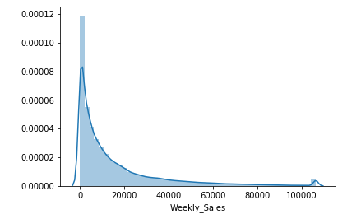

After Log Transformation:

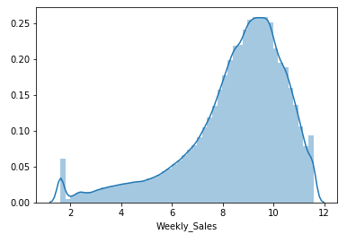

Feature Engineering

 | Derived new variables from the existing data:

 |  | Max_WeeklySales_by_Store_Dept
 |  | Min_WeeklySales_by_Store_Dept
 |  | Avg_WeeklySales_by_Store_Dept
 |  | Median_WeeklySales_by_Store_Dept
 |  | Std_WeeklySales_by_Store_Dept
 |  | Month
 |  | Year
 |  | Week
 |  | Quarter

 | Also, derived the holidays based on the dates
 |  | Super Bowl
 |  | Labor Day
 |  | Thanksgiving
 |  | Christmas

Dummy Variable Creation

 | Dummy variables have been created for the following variables

 | Store
 | Dept
 | Type
 | IsHoliday_x
 | Month
 | Year
 | Week
 | Quarter
 | Super Bowl
 | Labor Day
 | Thanksgiving
 | Christmas

Variable Reduction

 | Selected numerical variables based on high correlation with target variable:
 |  | Avg_WeeklySales_by_Store_Dept
 |  | Max_WeeklySales_by_Store_Dept
 |  | Median_WeeklySales_by_Store_Dept
 |  | Min_WeeklySales_by_Store_Dept
 |  | Std_WeeklySales_by_Store_Dept
 |  | Size

 | Selected categorical variables based on high ANOVA value:

 | Applied variable selection techniques:

 |  | SelectKBest
 |  | Selected 15 variables

 |  | Recursive Feature Elimination
 |  | Selected 15 variables

 |  | F-Regression
 |  | Selected variables with highest F value

 |  | Applied VIF on these selected 23 variables, removed variables with high vif
 |  | Selected all variables with vif < 2 for final model building

Model pre-requisites/Model assumptions
 | There is no missing values
 | Outliers have been removed
 | The target variable is following normal distribution
 | Dummy variables have been created for categorical variables
 | Multi collinearity have been removed by checking vif

Define train & test
 | train = 70%
 | test = 30%

Goodness of fit metrics

 |  | Linear Regression |  | Random Forest |  | Gradient Boost
 |  | Final tuning parameters |  | Final tuning parameters |  | Final tuning parameters
 |  | Train | Test | Train | Test | Train | Test
 | R-square (only for train) | 0.905 | NA | 0.9123 | NA | 0.9123 | NA
 | MAPE | 0.3001 | 0.3025 | 0.3086 | 0.3132 | 0.3079 | 0.3124
 | RMSE | 0.6301 | 0.6409 | 0.6049 | 0.62144 | 0.60496 | 0.6216
 | RMSPE | 0.2537 | 0.2643 | 0.2244 | 0.2369 | 0.2249 | 0.2377
 | Corr(actual, pred) | 0.9512 | 0.9498 | 0.9551 | 0.9529 | 0.9551 | 0.9528
 | Decile analysis | The predicted value follows the rank of deciles | The predicted value follows the rank of deciles | The predicted value follows the rank of deciles | The predicted value follows the rank of deciles | The predicted value follows the rank of deciles | The predicted value follows the rank of deciles

Based on the above metrics, Random Forest is selected as the best model.

Residual Analysis
 | Residuals for all 3 models are following normal distribution

Residuals for RF Model

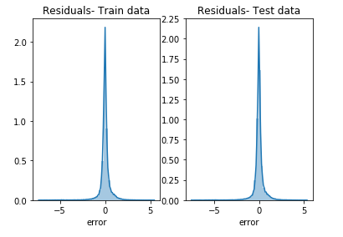

Key Drivers

 | log_Median_WeeklySales_by_Store_Dept
 | log_Std_WeeklySales_by_Store_Dept

 | These are the key drivers of the model. As expected, these variables have positive relationship with the forecasted sales.

Pros & cons of the models

 | Pros:
 | Very reliable predictions as errors are less
 | Model can be used for all the stores and departments

 | Cons:
 | High reliance on the previous weekly sales data
 | Any incorrect input will skew the output prediction

Recommendations & next steps

 | The model can be trained using much bigger data to improve the metrics

